Script
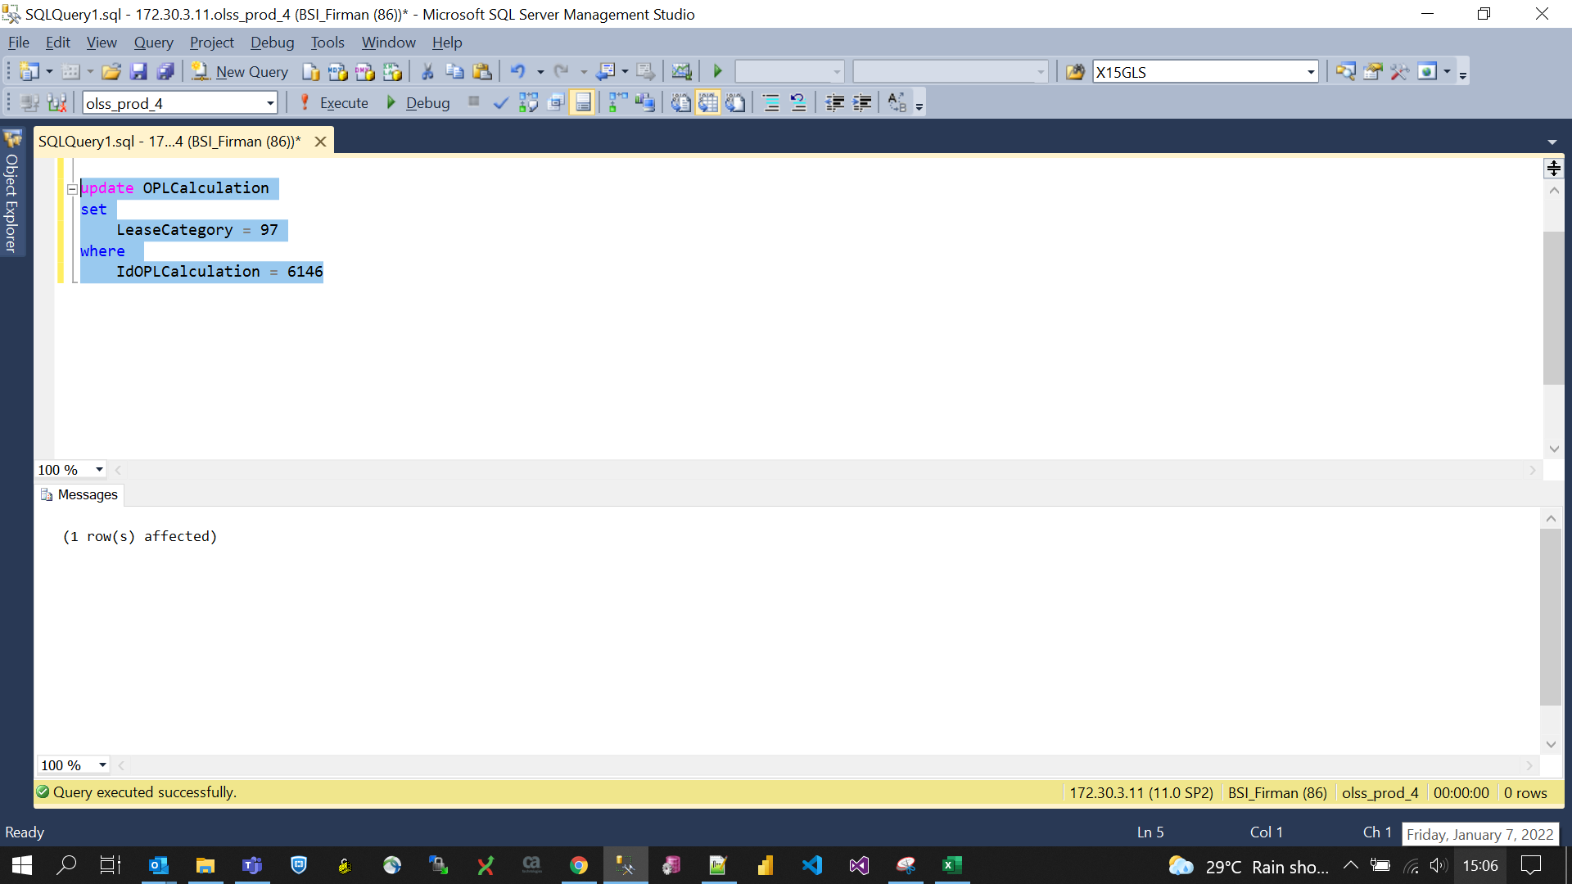
update OPLCalculation
set
 | LeaseCategory = 97
where
 | IdOPLCalculation = 6146

Screenshot
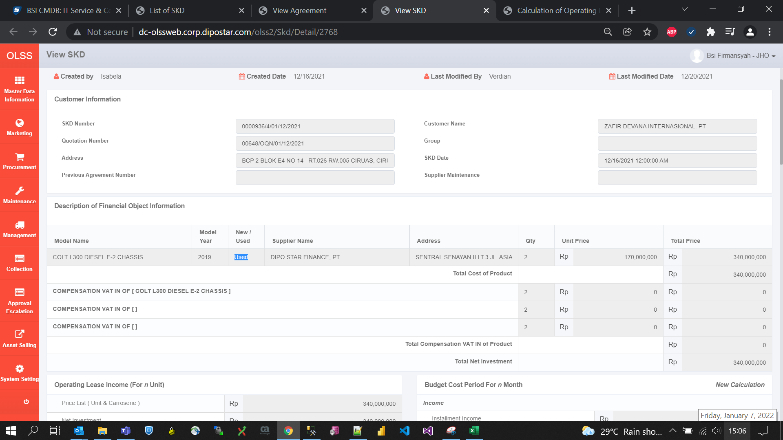
BEFORE
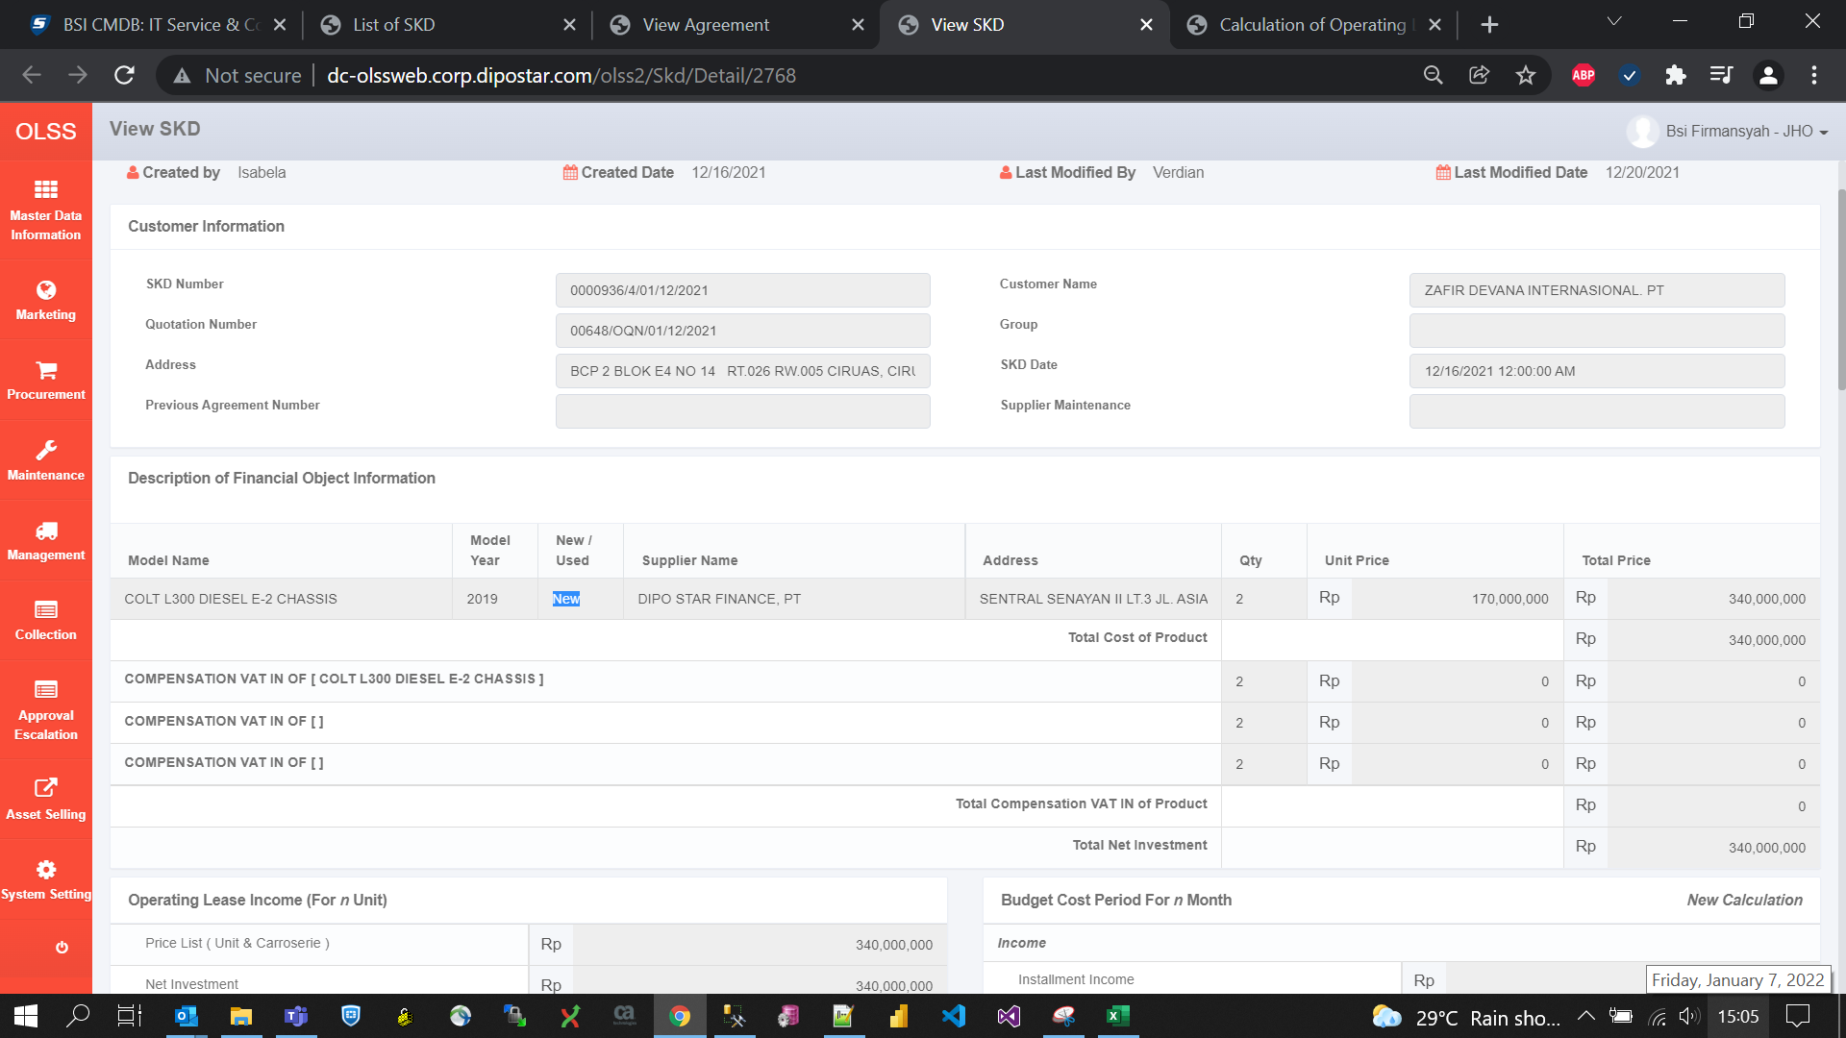

AFTER

